470
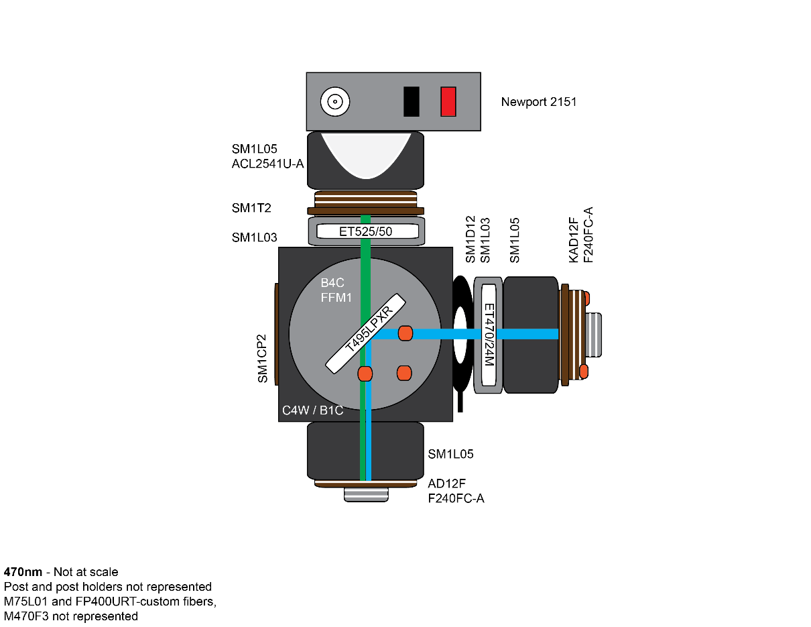
 | Part Nb | Price | Quantity | Total | Description | Comments
 |  |  |  | 4759.04
Light Sources (Thorlabs)
 | M470 F3 | 370 | 1 | 370 | Blue (470 nm) Fiber-Coupled LED, SMA, 1000 mA, 17.2 mW (Min)
 | LEDD1B | 293 | 1 | 293 | T-Cube LED Driver, 1200 mA Max Drive Current (Power Supply Not Included)
 | KPS101 | 25.71 | 1 | 25.71 | 15 V, 2.4 A Power Supply Unit for One K-Cube or T-Cube

Optic fibers (Thorlabs)
 | M75L01 | 89.2 | 1 | 89.2 | Ø200 µm, 0.39 NA, FC/PC to SMA Fiber Patch Cable, 1 m
 | Custom | 106.31 | 1 | 106.31 | FP400URT, Tubing FT030, End1 FC/PC, End2 2.5mm FC stainless steel ferrule, 0.5m

Light path (Thorlabs)
 | F240FC-A | 145 | 2 | 290 | 543 nm, f = 7.86 mm, NA=0.51 FC/PC Fiber Collimation Pkg.
 | AD12F | 28.8 | 1 | 28.8 | SM1-Threaded Adapter for Ø12 mm Cylindrical Components
 | KAD12F | 66.5 | 1 | 66.5 | SM1-Threaded Kinematic Pitch/Yaw Adapter for Ø12 mm Cylindrical Components
 | SM1T2 | 19.5 | 1 | 19.5 | SM1 (1.035"-40) Coupler, External Threads, 0.5" Long
 | SM1L03 | 12.16 | 1 | 12.16 | SM1 Lens Tube, 0.30" Thread Depth, One Retaining Ring Included
 | SM1L05 | 12.59 | 3 | 37.77 | SM1 Lens Tube, 0.50" Thread Depth, One Retaining Ring Included
 | C4W | 59.65 | 1 | 59.65 | 30 mm Cage Cube | DICHROIC CUBE - Can be replaced by DFM1
 | B4C | 98.43 | 1 | 98.43 | Kinematic Cage Cube Platform for C4W/C6W
 | B1C | 18.4 | 1 | 18.4 | Blank Cover Plate
 | FFM1 | 57.25 | 1 | 57.25 | 30-mm-Cage-Compatible Rectangular Filter Mount
 | SM1D12 | 57 | 1 | 57 | SM1 Lever-Actuated Iris Diaphragm (Ø0.8 - Ø12 mm) | To decrease the light beam diameter

Extra (Thorlabs)
 | PH1 | 7.7 | 1 | 7.7 | Ø1/2" Post Holder, Spring-Loaded Hex-Locking Thumbscrew, L = 1"
 | BA2 | 7.3 | 1 | 7.3 | Mounting Base, 2" x 3" x 3/8"
 | TR | 23.36 | 1 | 23.36 | Ø1/2" Optical Post, SS, 8-32 Setscrew, 1/4"-20 Tap, L = 1", 5 Pack
 | MB810 | 115.26 |  | 0 | Aluminum Breadboard 8" x 10" x 1/2", 1/4"-20 Taps
 | SM1CP2 | 17 | 1 | 17 | Externally SM1-Threaded End Cap

 | CPA1 | 12.75 | 1 |  | 30 mm Cage System Alignment Plate with Ø1 mm Hole
 | MS3 | 7.96 | 4 |  | Mini-Series Optical Post, Ø6 mm, L = 3"
 | PM121D | 1381 | 1 |  | Digital Power & Energy Meter, Si Sensor, 400-1100 nm, 500 nW - 500 mW
 | SPW602 | 26.75 | 1 |  | SM1 Spanner Wrench, Graduated, Length = 3.88"

Mirror, Filters and Lens
Chroma | 49002 - ET - EGFP | 825 | 1 | 825 | ET470/24M (Bandpass Filter, 25mm mounted) - T495LPXR (Dichroic Filter 25.5mm x 36mm) - ET525/50 (BandpassFilter, 25mm mounted)

Thorlabs | ACL25416U-A | 27 | 1 | 27 | Aspheric Condenser Lens, Ø1", f=16 mm, NA=0.79, ARC: 350-700 nm | GET 2 for GREEN/RED FLUO RECORDINGS

Photoreceiver and Nidaq
Newport | Newport 2151 | 995 | 1 | 995 | Femtowatt Silicon Photoreceiver, 320-1050 nm, 1 mm Diameter, 8-32 / M4
NI | NI USB-6341 | 1227 | 1 | 1227 | X Series DAQ: 16 AI Channels (8 BNC), 500 kS/s | GET 2 for GREEN/RED FLUO RECORDINGS

470-405
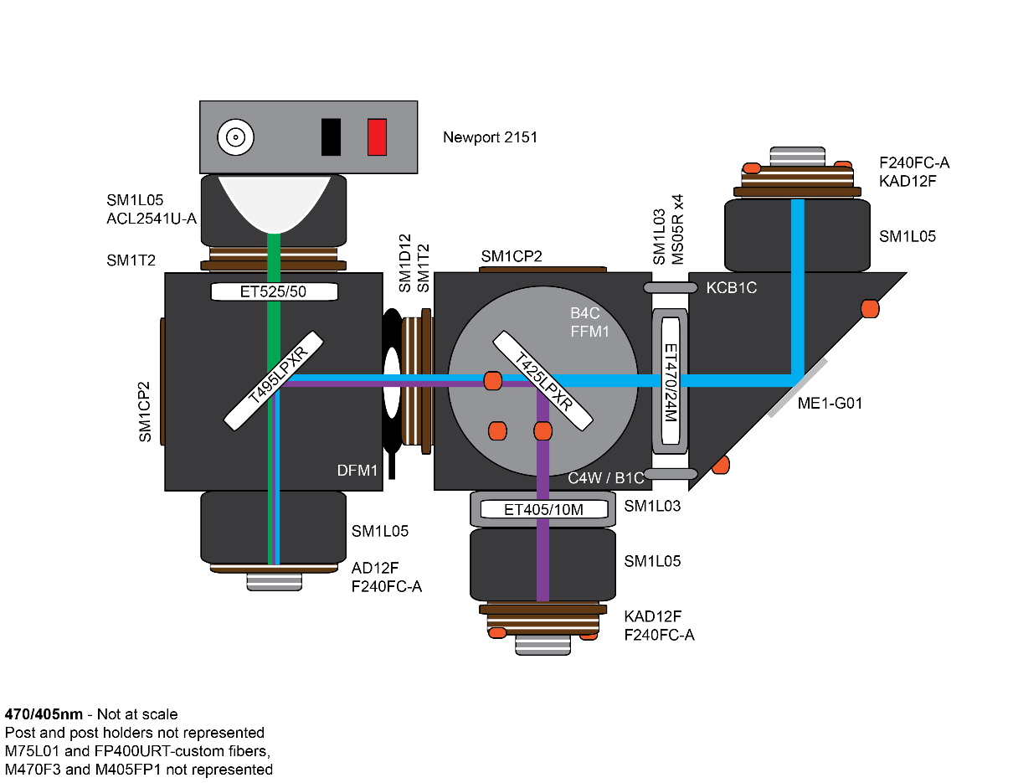
 | Part Nb | Price | Quantity | Total | Description | Comments
 |  |  |  | 7132.53
Light Sources (Thorlabs)
 | M405FP1 | 600 | 1 | 600 | UV (405 nm) Fiber-Coupled LED, SMA, 1400 mA, 19.3 mW (Min)
 | M470 F3 | 370 | 1 | 370 | Blue (470 nm) Fiber-Coupled LED, SMA, 1000 mA, 17.2 mW (Min)
 | LEDD1B | 293 | 2 | 586 | T-Cube LED Driver, 1200 mA Max Drive Current (Power Supply Not Included)
 | KPS101 | 25.71 | 2 | 51.42 | 15 V, 2.4 A Power Supply Unit for One K-Cube or T-Cube

Optic fibers (Thorlabs)
 | M75L01 | 89.2 | 2 | 178.4 | Ø200 µm, 0.39 NA, FC/PC to SMA Fiber Patch Cable, 1 m
 | Custom | 106.31 | 1 | 106.31 | FP400URT, Tubing FT030, End1 FC/PC, End2 2.5mm FC stainless steel ferrule, 0.5m

Light path (Thorlabs)
 | F240FC-A | 145 | 3 | 435 | 543 nm, f = 7.86 mm, NA=0.51 FC/PC Fiber Collimation Pkg.
 | AD12F | 28.8 | 1 | 28.8 | SM1-Threaded Adapter for Ø12 mm Cylindrical Components
 | KAD12F | 66.5 | 2 | 133 | SM1-Threaded Kinematic Pitch/Yaw Adapter for Ø12 mm Cylindrical Components | REPLACE FIRST MIRROR
 | KCB1C | 139.94 | 1 | 139.94 | Right-Angle Kinematic Mirror Mount with Smooth Cage Rod Bores, 30 mm Cage System and SM1 Compatible, 8-32 and 1/4"-20 Mounting Holes
 | SM1T2 | 19.5 | 2 | 39 | SM1 (1.035"-40) Coupler, External Threads, 0.5" Long
 | SM1L03 | 12.16 | 2 | 24.32 | SM1 Lens Tube, 0.30" Thread Depth, One Retaining Ring Included | For excitation filters
 | SM1L05 | 12.59 | 3 | 37.77 | SM1 Lens Tube, 0.50" Thread Depth, One Retaining Ring Included | For (K)AD12F and lenses
 | C4W | 59.65 | 1 | 59.65 | 30 mm Cage Cube | DICHROIC CUBE - Can be replaced by DFM1
 | B4C | 98.43 | 1 | 98.43 | Kinematic Cage Cube Platform for C4W/C6W
 | B1C | 18.4 | 1 | 18.4 | Blank Cover Plate
 | FFM1 | 57.25 | 1 | 57.25 | 30-mm-Cage-Compatible Rectangular Filter Mount
 | DFM1 | 364 | 1 | 364 | Kinematic Fluorescence Filter Cube, 30 mm Cage Compatible, Right-Turning, 1/4"-20 Tapped Holes | Only for 2 ch / order 2 if 470/565
 | SM1D12 | 57 | 1 | 57 | SM1 Lever-Actuated Iris Diaphragm (Ø0.8 - Ø12 mm) | To decrease the light beam diameter

Extra (Thorlabs)
 | PH2 | 7.7 | 2 | 15.4 | Ø1/2" Post Holder, Spring-Loaded Hex-Locking Thumbscrew, L = 2"
 | BA2 | 7.3 | 2 | 14.6 | Mounting Base, 2" x 3" x 3/8"
 | TR2-P5 | 23.36 | 1 | 23.36 | Ø1/2" Optical Post, SS, 8-32 Setscrew, 1/4"-20 Tap, L = 2", 5 Pack
 | MS05R | 5.77 | 4 | 23.08 | Mini Series Mounting Posts, Ø6 mm, L = 0.5"
 | MB810 | 115.26 |  | 0 | Aluminum Breadboard 8" x 10" x 1/2", 1/4"-20 Taps
 | SM1CP2 | 17 | 2 | 34 | Externally SM1-Threaded End Cap

 | CPA1 | 12.75 | 1 |  | 30 mm Cage System Alignment Plate with Ø1 mm Hole
 | MS3 | 7.96 | 4 |  | Mini-Series Optical Post, Ø6 mm, L = 3"
 | PM121D | 1381 |  |  | Digital Power & Energy Meter, Si Sensor, 400-1100 nm, 500 nW - 500 mW
 | SPW602 | 26.75 |  |  | SM1 Spanner Wrench, Graduated, Length = 3.88"

Mirror, Filters and Lens
Thorlabs | ME1-G01 | 13.4 | 1 | 13.4 | Ø1" Round Protected Aluminum Mirror, 3.2 mm Thick
Chroma | ET405/10 | 325 | 1 | 325 | Bandpass Filter, 25mm mounted
Chroma | T425lpxr | 225 | 1 | 225 | Dichroic Filter 25.5mm x 36mm
Chroma | 49002 - ET - EGFP | 825 | 1 | 825 | ET470/24M (Bandpass Filter, 25mm mounted) - T495LPXR (Dichroic Filter 25.5mm x 36mm) - ET525/50 (BandpassFilter, 25mm mounted)

Thorlabs | ACL25416U-A | 27 | 1 | 27 | Aspheric Condenser Lens, Ø1", f=16 mm, NA=0.79, ARC: 350-700 nm | GET 2 for GREEN/RED FLUO RECORDINGS

Photoreceiver and Nidaq
Newport | Newport 2151 | 995 | 1 | 995 | Femtowatt Silicon Photoreceiver, 320-1050 nm, 1 mm Diameter, 8-32 / M4
NI | NI USB-6341 | 1227 | 1 | 1227 | X Series DAQ: 16 AI Channels (8 BNC), 500 kS/s | GET 2 for GREEN/RED FLUO RECORDINGS

470-565
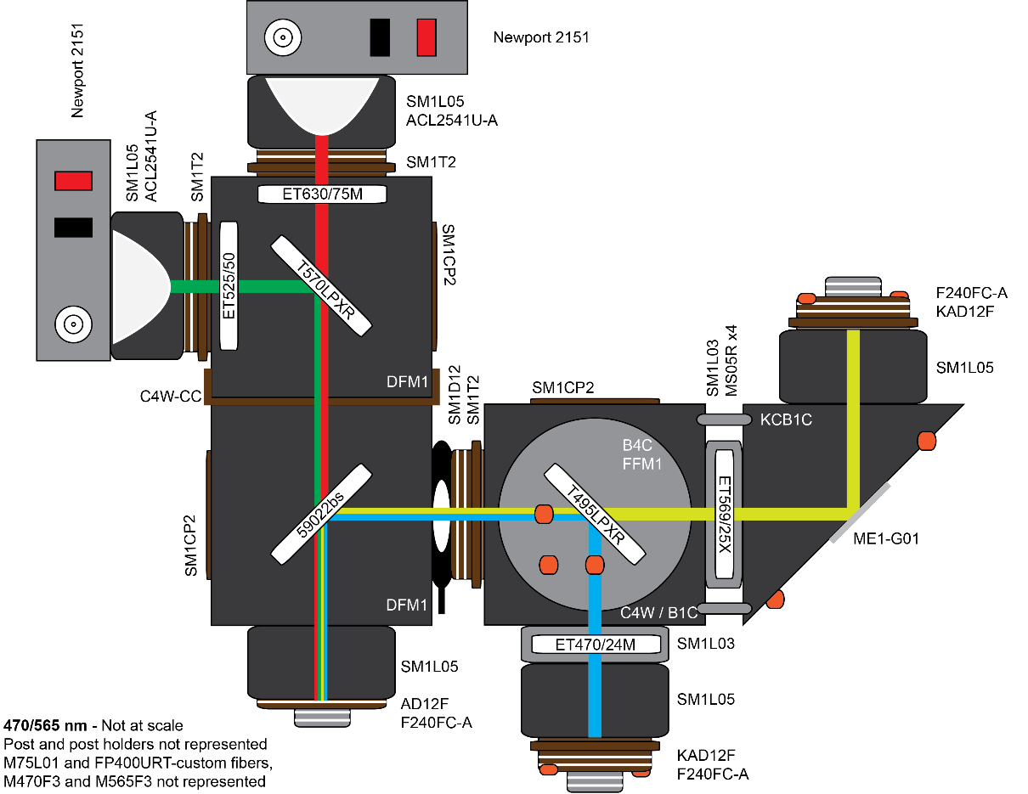
 | Part Nb | Price | Quantity | Total | Description | Comments
 |  |  |  | 9208.99
Light Sources (Thorlabs)
 | M470 F3 | 370 | 1 | 370 | Blue (470 nm) Fiber-Coupled LED, SMA, 1000 mA, 17.2 mW (Min)
 | M565F3 | 438 | 1 | 438 | 565 nm, 9.9 mW (Min) Fiber-Coupled LED, 700 mA, SMA
 | LEDD1B | 293 | 2 | 586 | T-Cube LED Driver, 1200 mA Max Drive Current (Power Supply Not Included)
 | KPS101 | 25.71 | 2 | 51.42 | 15 V, 2.4 A Power Supply Unit for One K-Cube or T-Cube

Optic fibers (Thorlabs)
 | M75L01 | 89.2 | 2 | 178.4 | Ø200 µm, 0.39 NA, FC/PC to SMA Fiber Patch Cable, 1 m
 | Custom | 106.31 | 1 | 106.31 | FP400URT, Tubing FT030, End1 FC/PC, End2 2.5mm FC stainless steel ferrule, 0.5m

Light path (Thorlabs)
 | F240FC-A | 145 | 3 | 435 | 543 nm, f = 7.86 mm, NA=0.51 FC/PC Fiber Collimation Pkg.
 | AD12F | 28.8 | 1 | 28.8 | SM1-Threaded Adapter for Ø12 mm Cylindrical Components
 | KAD12F | 66.5 | 2 | 133 | SM1-Threaded Kinematic Pitch/Yaw Adapter for Ø12 mm Cylindrical Components
 | KCB1C | 139.94 | 1 | 139.94 | Right-Angle Kinematic Mirror Mount with Smooth Cage Rod Bores, 30 mm Cage System and SM1 Compatible, 8-32 and 1/4"-20 Mounting Holes
 | SM1T2 | 19.5 | 2 | 39 | SM1 (1.035"-40) Coupler, External Threads, 0.5" Long
 | SM1L03 | 12.16 | 2 | 24.32 | SM1 Lens Tube, 0.30" Thread Depth, One Retaining Ring Included | For excitation filters
 | SM1L05 | 12.59 | 4 | 50.36 | SM1 Lens Tube, 0.50" Thread Depth, One Retaining Ring Included | For (K)AD12F and lenses
 | C4W | 59.65 | 1 | 59.65 | 30 mm Cage Cube | DICHROIC CUBE - Can be replaced by DFM1
 | B4C | 98.43 | 1 | 98.43 | Kinematic Cage Cube Platform for C4W/C6W
 | B1C | 18.4 | 1 | 18.4 | Blank Cover Plate
 | FFM1 | 57.25 | 1 | 57.25 | 30-mm-Cage-Compatible Rectangular Filter Mount
 | DFM1 | 364 | 2 | 728 | Kinematic Fluorescence Filter Cube, 30 mm Cage Compatible, Right-Turning, 1/4"-20 Tapped Holes
 | C4W-CC | 51.51 | 1 | 51.51 | 30 mm Cage Cube Connector for C4W and C6W Series Cubes
 | SM1D12 | 57 | 1 | 57 | SM1 Lever-Actuated Iris Diaphragm (Ø0.8 - Ø12 mm) | To decrease the light beam diameter

Extra (Thorlabs)
 | PH2-5 | 38.5 | 1 | 38.5 | Ø1/2" Post Holder, Spring-Loaded Hex-Locking Thumbscrew, L = 2"
 | BA1
 | BA2 | 7.3 | 2 | 14.6 | Mounting Base, 2" x 3" x 3/8" | For DFM1
 | TR2-P5 | 23.36 | 1 | 23.36 | Ø1/2" Optical Post, SS, 8-32 Setscrew, 1/4"-20 Tap, L = 2", 5 Pack
 | MS05R | 5.77 | 4 | 23.08 | Mini Series Mounting Posts, Ø6 mm, L = 0.5"
 | MB810 | 115.26 | 1 | 115.26 | Aluminum Breadboard 8" x 10" x 1/2", 1/4"-20 Taps
 | SM1CP2 | 17 | 2 | 34 | Externally SM1-Threaded End Cap

 | CPA1 | 12.75 | 1 |  | 30 mm Cage System Alignment Plate with Ø1 mm Hole
 | MS3 | 7.96 | 4 |  | Mini-Series Optical Post, Ø6 mm, L = 3"
 | PM121D | 1381 |  |  | Digital Power & Energy Meter, Si Sensor, 400-1100 nm, 500 nW - 500 mW
 | SPW602 | 26.75 |  |  | SM1 Spanner Wrench, Graduated, Length = 3.88"

Mirror, Filters and Lens
Thorlabs | ME1-G01 | 13.4 | 1 | 13.4 | Ø1" Round Protected Aluminum Mirror, 3.2 mm Thick
Chroma | 49002 - ET - EGFP | 825 | 1 | 825 | ET470/24M (Bandpass Filter, 25mm mounted) - T495LPXR (Dichroic Filter 25.5mm x 36mm) - ET525/50 (BandpassFilter, 25mm mounted)
Chroma | ET569/25X EX | 325 | 1 | 325 | EX Filter ET569/25X EX (Bandpass Filter, 25mm mounted) - -
Chroma | 59022bs | 325 | 1 | 325 | EX EM Dichroic
Chroma | T570LPXR | 225 | 1 | 225 | EM Dichroic T570LPXR (Dichroic Filter 25.5mm x 36mm)
Chroma | ET630/75M | 325 | 1 | 325 | EM Filter ET630/75M (BandpassFilter, 25mm mounted)

Thorlabs | ACL25416U-A | 27 | 2 | 54 | Aspheric Condenser Lens, Ø1", f=16 mm, NA=0.79, ARC: 350-700 nm

Photoreceiver and Nidaq
Newport | Newport 2151 | 995 | 2 | 1990 | Femtowatt Silicon Photoreceiver, 320-1050 nm, 1 mm Diameter, 8-32 / M4
NI | NI USB-6341 | 1227 | 1 | 1227 | X Series DAQ: 16 AI Channels (8 BNC), 500 kS/s | GET 2 for GREEN/RED FLUO RECORDINGS

